Sheet1
Scene No. | 2
Quest Title | 里拉的忠告
Quest Log | 回复阿历克斯
Map No. | 70
 | 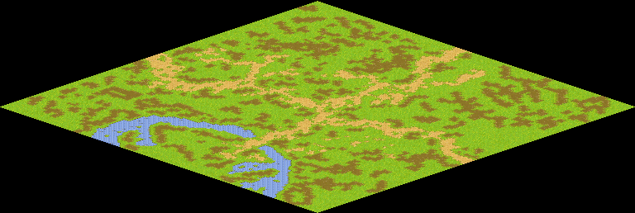
NPC No.
Condition
Dialog
Select
Result

ScriptFile | Qlog-0210-002.scr

